Values
Photo | Style/Color | Name | Style # | Season | Wholesale | Retail | Sizes | Color | Order | Inv
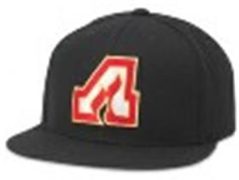 | 21006A-ATFLblack | 400 ARCHIVE | 21006A-ATFL | core | $16.25 | $32.00 | ADJ | black |  | 84
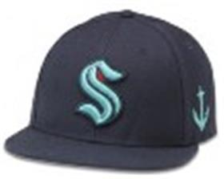 | 42412A-SEKnavy | 400 SERIES | 42412A-SEK | core | $16.25 | $30.00 | ADJ | navy |  | 3258
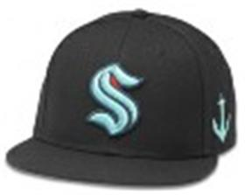 | 42412A-SEKblack | 400 SERIES | 42412A-SEK | core | $16.25 | $30.00 | ADJ | black |  | 2
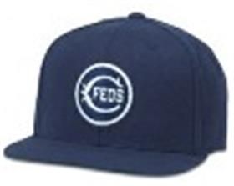 | 400A1V-CHFnavy | 400 SERIES | 400A1V-CHF | core | $14.50 | $30.00 | ADJ | navy |  | 166
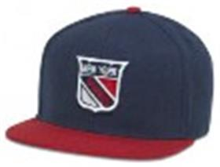 | 400A2V-NYRnavy-red | 400 SERIES | 400A2V-NYR | core | $16.25 | $30.00 | ADJ | navy-red |  | 30
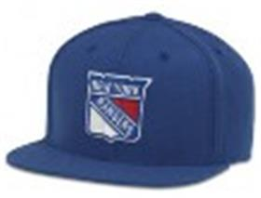 | 400A1V-NYRroyal | 400 SERIES | 400A1V-NYR | core | $16.25 | $30.00 | ADJ | royal |  | 22
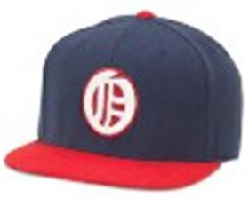 | 400A1V-OAOnavy-red | 400 SERIES | 400A1V-OAO | core | $14.50 | $30.00 | ADJ | navy-red |  | 39
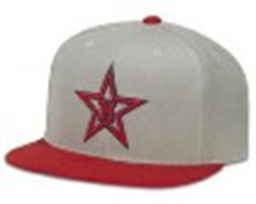 | 400A1V-HOSgrey-red | 400 SERIES | 400A1V-HOS | core | $14.50 | $30.00 | ADJ | grey-red |  | 111
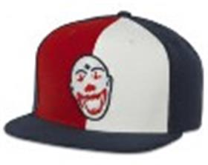 | 400A1V-ETCred-navy-white | 400 SERIES | 400A1V-ETC | core | $14.50 | $30.00 | ADJ | red-navy-white |  | 128
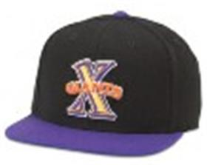 | 400A1V-CXGblack-purple | 400 SERIES | 400A1V-CXG | core | $14.50 | $30.00 | ADJ | black-purple |  | 12
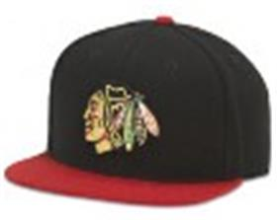 | 400A1V-CBHblack-red | 400 SERIES | 400A1V-CBH | core | $16.25 | $30.00 | ADJ | black-red |  | 227
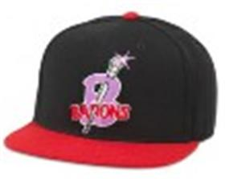 | 400A1V-BBBblack-red | 400 SERIES | 400A1V-BBB | core | $14.50 | $30.00 | ADJ | black-red |  | 10
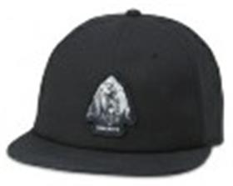 | 21018A-YONPblack | ALPINE | 21018A-YONP | core | $9.75 | $28.00 | ADJ | black |  | 309
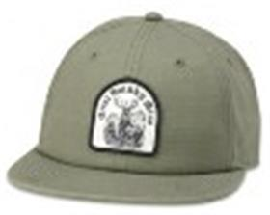 | 21018A-GSMTolive | ALPINE | 21018A-GSMT | core | $9.75 | $28.00 | ADJ | olive |  | 9
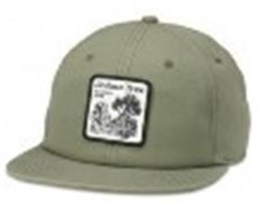 | 21018A-JTNPolive | ALPINE | 21018A-JTNP | core | $9.75 | $28.00 | ADJ | olive |  | 135
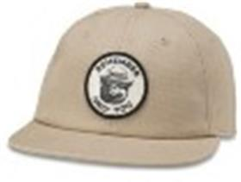 | 21018A-SBEARkhaki | ALPINE | 21018A-SBEAR | core | $11.75 | $28.00 | ADJ | khaki |  | 341
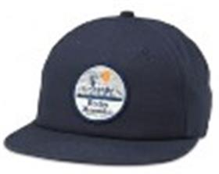 | 21018A-RKMnavy | ALPINE | 21018A-RKM | core | $9.75 | $28.00 | ADJ | navy |  | 276
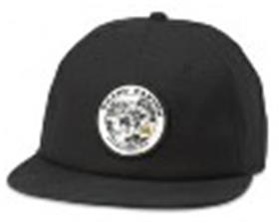 | 21018A-GCNPblack | ALPINE | 21018A-GCNP | core | $9.75 | $28.00 | ADJ | black |  | 378
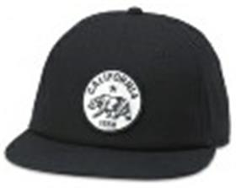 | 21018A-CAblack | ALPINE | 21018A-CA | core | $9.75 | $28.00 | ADJ | black |  | 213
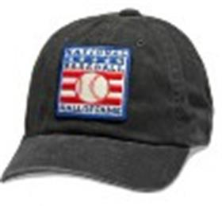 | 44747A-NBHOFblack | ARCHIVE | 44747A-NBHOF | core | $9.75 | $29.00 | ADJ | black |  | 114
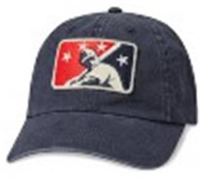 | 44747A-MILBnavy | ARCHIVE | 44747A-MILB | core | $9.75 | $29.00 | ADJ | navy |  | 96
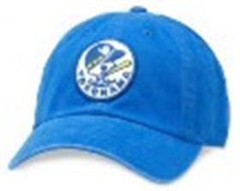 | 44740A-YOWdark royal | ARCHIVE | 44740A-YOW | core | $9.75 | $29.00 | ADJ | dark royal |  | 154
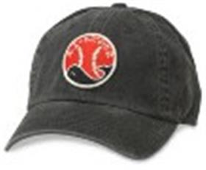 | 44740A-TAWblack | ARCHIVE | 44740A-TAW | core | $9.75 | $29.00 | ADJ | black |  | 387
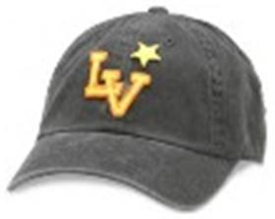 | 44740A-LSTblack | ARCHIVE | 44740A-LST | core | $9.75 | $29.00 | ADJ | black |  | 244
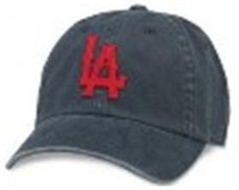 | 44740A-LOSnavy | ARCHIVE | 44740A-LOS | core | $9.75 | $29.00 | ADJ | navy |  | 872
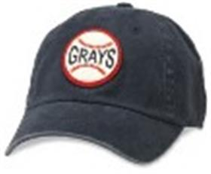 | 44747B-HOGnavy | ARCHIVE | 44747B-HOG | core | $9.75 | $29.00 | ADJ | navy |  | 568
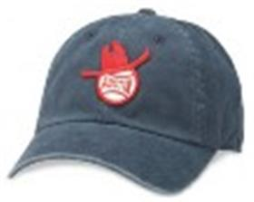 | 44740A-ASEnavy | ARCHIVE | 44740A-ASE | core | $9.75 | $29.00 | ADJ | navy |  | 151
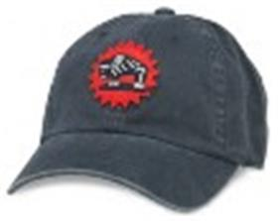 | 44740A-HBUnavy | ARCHIVE | 44740A-HBU | core | $9.75 | $29.00 | ADJ | navy |  | 86
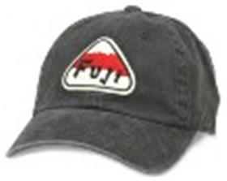 | 44740A-FACblack | ARCHIVE | 44740A-FAC | core | $9.75 | $29.00 | ADJ | black |  | 102
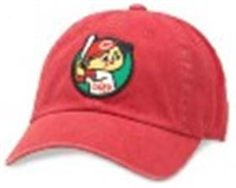 | 44740A-HTCred | ARCHIVE | 44740A-HTC | core | $9.75 | $29.00 | ADJ | red |  | 203
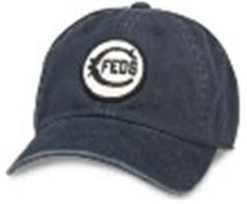 | 44740A-CHFnavy | ARCHIVE | 44740A-CHF | core | $9.75 |  | ADJ | navy |  | 96
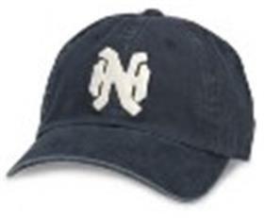 | 44740A-NAHnavy | ARCHIVE | 44740A-NAH | core | $9.75 |  | ADJ | navy |  | 313
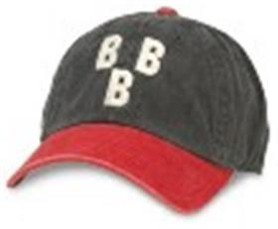 | 44747A-BBBblack-dk red | ARCHIVE | 44747A-BBB | core | $9.75 |  | ADJ | black-dk red |  | 229
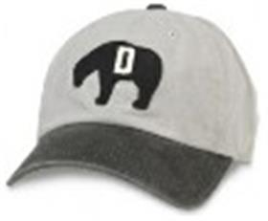 | 44747A-DECgrey-black | ARCHIVE | 44747A-DEC | core | $9.75 |  | ADJ | grey-black |  | 2
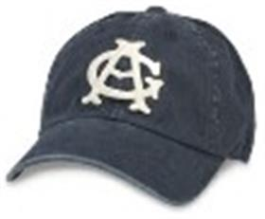 | 44747A-CAGnavy | ARCHIVE | 44747A-CAG | core | $9.75 |  | ADJ | navy |  | 751
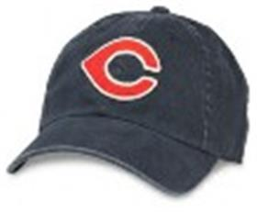 | 44747A-CNTnavy | ARCHIVE | 44747A-CNT | core | $9.75 |  | ADJ | navy |  | 44
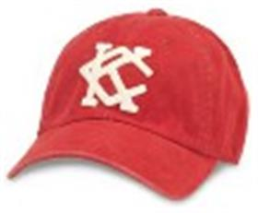 | 44747A-KCANdark red | ARCHIVE | 44747A-KCAN | core | $9.75 |  | ADJ | dark red |  | 904
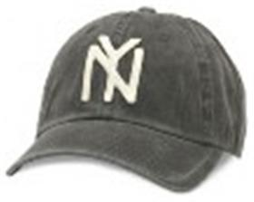 | 44747A-NBYblack | ARCHIVE | 44747A-NBY | core | $9.75 |  | ADJ | black |  | 595
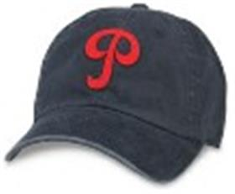 | 44747A-PHSnavy | ARCHIVE | 44747A-PHS | core | $9.75 |  | ADJ | navy |  | 156
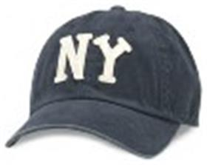 | 44747B-NBYnavy | ARCHIVE | 44747B-NBY | core | $9.75 |  | ADJ | navy |  | 202
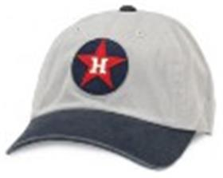 | 44747A-HOSgrey-navy | ARCHIVE | 44747A-HOS | core | $9.75 |  | ADJ | grey-navy |  | 13
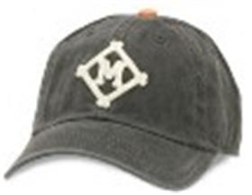 | 44747A-MMLblack-orange | ARCHIVE | 44747A-MML | core | $9.75 |  | ADJ | black-orange |  | 13
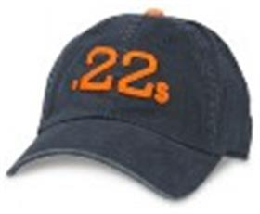 | 44747A-MOUnavy - orange | ARCHIVE | 44747A-MOU | core | $9.75 |  | ADJ | navy - orange |  | 143
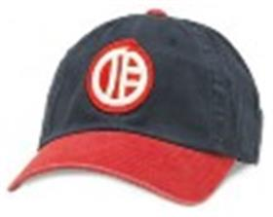 | 44747A-OAOnavy-dk red | ARCHIVE | 44747A-OAO | core | $9.75 |  | ADJ | navy-dk red |  | 413
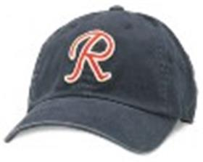 | 44747A-SERnavy | ARCHIVE | 44747A-SER | core | $9.75 |  | ADJ | navy |  | 355
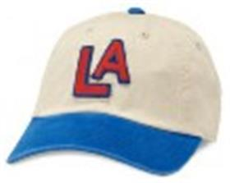 | 44740B-LAAivory-deep royal | ARCHIVE | 44740B-LAA | core | $9.75 |  | ADJ | ivory-deep royal |  | 810
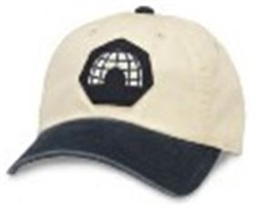 | 44740A-DUEivory-navy | ARCHIVE | 44740A-DUE | core | $9.75 |  | ADJ | ivory-navy |  | 89
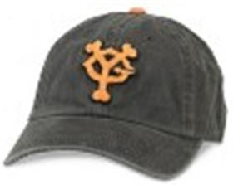 | 44740A-YOGblack | ARCHIVE | 44740A-YOG | core | $9.75 |  | ADJ | black |  | 153
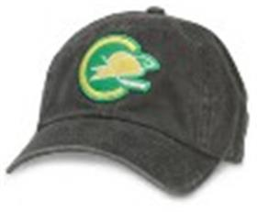 | 44742A-OASblack | ARCHIVE | 44742A-OAS | core | $9.75 |  | ADJ | black |  | 130
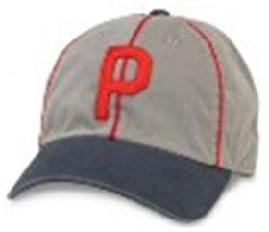 | 44747B-POBgrey-navy | ARCHIVE | 44747B-POB | core | $9.75 |  | ADJ | grey-navy |  | 87
 | 44747A-LAWnavy | ARCHIVE | 44747A-LAW | core | $9.75 |  | ADJ | navy |  | 263
 | 44747A-SAFnavy | ARCHIVE | 44747A-SAF | core | $9.75 |  | ADJ | navy |  | 108
 | 44740A-ANAblack-dk red | ARCHIVE | 44740A-ANA | core | $9.75 |  | ADJ | black-dk red |  | 19
 | 44740A-HTIblack | ARCHIVE | 44740A-HTI | core | $9.75 |  | ADJ | black |  | 606
 | 44740A-DAEnavy | ARCHIVE | 44740A-DAE | core | $9.75 |  | ADJ | navy |  | 203
 | 44740A-KCKnavy | ARCHIVE | 44740A-KCK | core | $9.75 |  | ADJ | navy |  | 321
 | 44742A-NYAnavy-dk red | ARCHIVE | 44742A-NYA | core | $9.75 |  | ADJ | navy-dk red |  | 340
 | 21006B-LOSroyal | ARCHIVE 400 | 21006B-LOS | core | $14.50 | $30.00 | ADJ | royal |  | 398
 | 21006B-KCMblack-red | ARCHIVE 400 | 21006B-KCM | core | $14.50 | $30.00 | ADJ | black-red |  | 240
 | 21006B-NBYnavy | ARCHIVE 400 | 21006B-NBY | core | $14.50 | $30.00 | ADJ | navy |  | 228
 | 21006B-SERred-white | ARCHIVE 400 | 21006B-SER | core | $14.50 | $30.00 | ADJ | red-white |  | 135
 | 21006A-BBSblack | ARCHIVE 400 | 21006A-BBS | core | $14.50 | $30.00 | ADJ | black |  | 240
 | 21006A-CAGheather gray-navy | ARCHIVE 400 | 21006A-CAG | core | $14.50 | $30.00 | ADJ | heather gray-navy |  | 201
 | 21006A-BSHivory-dark green | ARCHIVE 400 | 21006A-BSH | core | $14.50 | $30.00 | ADJ | ivory-dark green |  | 267
 | 21006A-ALDivory-red | ARCHIVE 400 | 21006A-ALD | core | $14.50 | $30.00 | ADJ | ivory-red |  | 288
 | 21006A-BBBblack | ARCHIVE 400 | 21006A-BBB | core | $14.50 | $30.00 | ADJ | black |  | 288
 | 21006A-ABCblack-red | ARCHIVE 400 | 21006A-ABC | core | $14.50 | $30.00 | ADJ | black-red |  | 228
 | 21006A-SERnavy-red | ARCHIVE 400 | 21006A-SER | core | $14.50 | $30.00 | ADJ | navy-red |  | 284
 | 21006A-KCANheather gray - red | ARCHIVE 400 | 21006A-KCAN | core | $14.50 | $30.00 | ADJ | heather gray - red |  | 171
 | 21006A-DESivory-navy | ARCHIVE 400 | 21006A-DES | core | $14.50 | $30.00 | ADJ | ivory-navy |  | 247
 | 21006A-SLSivory-royal | ARCHIVE 400 | 21006A-SLS | core | $14.50 | $30.00 | ADJ | ivory-royal |  | 222
 | 21006A-NLBheather gray - black | ARCHIVE 400 | 21006A-NLB | core | $14.50 | $30.00 | ADJ | heather gray - black |  | 327
 | 21006A-WPJroyal-red | ARCHIVE 400 | 21006A-WPJ | core | $16.25 | $32.00 | ADJ | royal-red |  | 184
 | 21006A-CROroyal red | ARCHIVE 400 | 21006A-CRO | core | $16.25 | $32.00 | ADJ | royal red |  | 388
 | 21006A-VACblk | ARCHIVE 400 | 21006A-VAC | core | $16.25 | $32.00 | ADJ | blk |  | 242
 | 21006A-TMLroy | ARCHIVE 400 | 21006A-TML | core | $16.25 | $32.00 | ADJ | roy |  | 66
 | 21006A-QNDlare | ARCHIVE 400 | 21006A-QND | core | $16.25 | $32.00 | ADJ | lare |  | 1
 | 21006A-OAShgbl | ARCHIVE 400 | 21006A-OAS | core | $16.25 | $32.00 | ADJ | hgbl |  | 115
 | 21006A-HAWnavy | ARCHIVE 400 | 21006A-HAW | core | $16.25 | $32.00 | ADJ | navy |  | 137
 | 21006A-LOSnavy | ARCHIVE 400 SERIES | 21006A-LOS | core | $14.50 | $30.00 | ADJ | navy |  | 30
 | 21006A-KCMivory-red | ARCHIVE 400 SERIES | 21006A-KCM | core | $14.50 | $33.00 | ADJ | ivory-red |  | 550
 | 21006A-HTIheather gray - black | ARCHIVE 400 SERIES | 21006A-HTI | core | $14.50 | $30.00 | ADJ | heather gray - black |  | 305
 | 21006A-SAFblack-orange | ARCHIVE 400 SERIES | 21006A-SAF | core | $14.50 | $30.00 | ADJ | black-orange |  | 286
 | 21006A-NBYblack | ARCHIVE 400 SERIES | 21006A-NBY | core | $14.50 | $30.00 | ADJ | black |  | 759
 | 21006A-YOGblack | ARCHIVE 400 SERIES | 21006A-YOG | core | $14.50 | $30.00 | ADJ | black |  | 95
 | 21006A-YOWroyal | ARCHIVE 400 SERIES | 21006A-YOW | core | $14.50 | $30.00 | ADJ | royal |  | 308
 | 21006A-NYCnavy | ARCHIVE 400 SERIES | 21006A-NYC | core | $14.50 | $30.00 | ADJ | navy |  | 626
 | 44740A-MANHATblack | ARCHIVE COCKTAIL | 44740A-MANHAT | core | $8.00 | $29.00 | ADJ | black |  | 242
 | 44740A-GINTONnavy | ARCHIVE COCKTAIL | 44740A-GINTON | core | $8.00 | $29.00 | ADJ | navy |  | 57
 | 44740A-MJULEPseafoam | ARCHIVE COCKTAIL | 44740A-MJULEP | core | $8.00 | $29.00 | ADJ | seafoam |  | 213
 | 21005A-WPJroyal | ARCHIVE LEGEND | 21005A-WPJ | core | $15.75 | $34.00 | ADJ | royal |  | 152
 | 21005A-VACblack | ARCHIVE LEGEND | 21005A-VAC | core | $15.75 | $34.00 | ADJ | black |  | 131
 | 21005A-VAMmaroon | ARCHIVE LEGEND | 21005A-VAM | core | $15.75 | $34.00 | ADJ | maroon |  | 135
 | 21005A-TMLroyal | ARCHIVE LEGEND | 21005A-TML | core | $15.75 | $34.00 | ADJ | royal |  | 180
 | 21005A-MOCnavy | ARCHIVE LEGEND | 21005A-MOC | core | $15.75 | $34.00 | ADJ | navy |  | 263
 | 21005A-QNDivory-royal | ARCHIVE LEGEND | 21005A-QND | core | $15.75 | $34.00 | ADJ | ivory-royal |  | 133
 | 21005A-NHLblack | ARCHIVE LEGEND | 21005A-NHL | core | $15.75 | $34.00 | ADJ | black |  | 1
 | 21005A-NYRnavy | ARCHIVE LEGEND | 21005A-NYR | core | $15.75 | $34.00 | ADJ | navy |  | 100
 | 21005A-MMARivory - maroon | ARCHIVE LEGEND | 21005A-MMAR | core | $15.75 | $34.00 | ADJ | ivory - maroon |  | 109
 | 21005A-LAKblack | ARCHIVE LEGEND | 21005A-LAK | core | $15.75 | $34.00 | ADJ | black |  | 120
 | 21005A-TSPkelly green | ARCHIVE LEGEND | 21005A-TSP | core | $15.75 | $34.00 | ADJ | kelly green |  | 189
 | 21005A-CBHblack | ARCHIVE LEGEND | 21005A-CBH | core | $15.75 | $34.00 | ADJ | black |  | 148
 | 21005A-ATFLred | ARCHIVE LEGEND | 21005A-ATFL | core | $15.75 | $34.00 | ADJ | red |  | 202
 | 21005A-HAWnavy | ARCHIVE LEGEND | 21005A-HAW | core | $15.75 | $34.00 | ADJ | navy |  | 113
 | 21005A-CROroyal | ARCHIVE LEGEND | 21005A-CRO | core | $15.75 | $34.00 | ADJ | royal |  | 163
 | 21005A-DRWred | ARCHIVE LEGEND | 21005A-DRW | core | $15.75 | $34.00 | ADJ | red |  | 109
 | 21005A-LOSnavy | ARCHIVE LEGEND | 21005A-LOS | core | $12.50 | $30.00 | ADJ | navy |  | 300
 | 21005B-NBYnavy | ARCHIVE LEGEND | 21005B-NBY | core | $12.50 | $30.00 | ADJ | navy |  | 645
 | 21005C-LOSroyal | ARCHIVE LEGEND | 21005C-LOS | core | $12.50 | $30.00 | ADJ | royal |  | 283
 | 21005B-KCMred-navy | ARCHIVE LEGEND | 21005B-KCM | core | $12.50 | $30.00 | ADJ | red-navy |  | 290
 | 21005A-YOGblack | ARCHIVE LEGEND | 21005A-YOG | core | $12.50 | $30.00 | ADJ | black |  | 364
 | 21005A-SERnavy | ARCHIVE LEGEND | 21005A-SER | core | $12.50 | $30.00 | ADJ | navy |  | 256
 | 21005A-WHAivory-navy | ARCHIVE LEGEND | 21005A-WHA | core | $12.50 | $30.00 | ADJ | ivory-navy |  | 263
 | 21005A-SAFnavy | ARCHIVE LEGEND | 21005A-SAF | core | $12.50 | $30.00 | ADJ | navy |  | 170
 | 21005A-STEnavy | ARCHIVE LEGEND | 21005A-STE | core | $12.50 | $30.00 | ADJ | navy |  | 19
 | 21005A-TAWheather gray - black | ARCHIVE LEGEND | 21005A-TAW | core | $12.50 | $30.00 | ADJ | heather gray - black |  | 515
 | 21005A-SFRivory | ARCHIVE LEGEND | 21005A-SFR | core | $12.50 | $30.00 | ADJ | ivory |  | 30
 | 21005A-OAOivory-navy | ARCHIVE LEGEND | 21005A-OAO | core | $12.50 | $30.00 | ADJ | ivory-navy |  | 24
 | 21005A-BATblack | ARCHIVE LEGEND | 21005A-BAT | core | $12.50 | $30.00 | ADJ | black |  | 148
 | 21005A-ALDred | ARCHIVE LEGEND | 21005A-ALD | core | $12.50 | $30.00 | ADJ | red |  | 285
 | 21005A-ASEheather gray - black | ARCHIVE LEGEND | 21005A-ASE | core | $12.50 | $30.00 | ADJ | heather gray - black |  | 309
 | 21005A-BBBblack | ARCHIVE LEGEND | 21005A-BBB | core | $12.50 | $30.00 | ADJ | black |  | 151
 | 21005A-DWEkelly green | ARCHIVE LEGEND | 21005A-DWE | core | $12.50 | $30.00 | ADJ | kelly green |  | 188
 | 21005A-HOGheather grey | ARCHIVE LEGEND | 21005A-HOG | core | $12.50 | $30.00 | ADJ | heather grey |  | 270
 | 21005A-DESheather gray-navy | ARCHIVE LEGEND | 21005A-DES | core | $12.50 | $30.00 | ADJ | heather gray-navy |  | 232
 | 21005A-BTTivory-royal | ARCHIVE LEGEND | 21005A-BTT | core | $12.50 | $30.00 | ADJ | ivory-royal |  | 95
 | 21005A-HTIblack | ARCHIVE LEGEND | 21005A-HTI | core | $12.50 | $30.00 | ADJ | black |  | 53
 | 21005A-CBSroyal-ivory | ARCHIVE LEGEND | 21005A-CBS | core | $12.50 | $30.00 | ADJ | royal-ivory |  | 147
 | 21005A-FWCroyal | ARCHIVE LEGEND | 21005A-FWC | core | $12.50 | $30.00 | ADJ | royal |  | 213
 | 21005A-CCUroyal | ARCHIVE LEGEND | 21005A-CCU | core | $12.50 | $30.00 | ADJ | royal |  | 235
 | 21005A-CXGheather gray - red | ARCHIVE LEGEND | 21005A-CXG | core | $12.50 | $30.00 | ADJ | heather gray - red |  | 203
 | 21005A-BEGblack-red | ARCHIVE LEGEND | 21005A-BEG | core | $12.50 | $30.00 | ADJ | black-red |  | 153
 | 21005A-BBSblack | ARCHIVE LEGEND | 21005A-BBS | core | $12.50 | $30.00 | ADJ | black |  | 252
 | 21005A-BRBnavy - orange | ARCHIVE LEGEND | 21005A-BRB | core | $12.50 | $30.00 | ADJ | navy - orange |  | 228
 | 21005A-BRGblack | ARCHIVE LEGEND | 21005A-BRG | core | $12.50 | $30.00 | ADJ | black |  | 294
 | 21005A-INAivory-red | ARCHIVE LEGEND | 21005A-INA | core | $12.50 | $30.00 | ADJ | ivory-red |  | 225
 | 21005A-CSPivory-red | ARCHIVE LEGEND | 21005A-CSP | core | $12.50 | $30.00 | ADJ | ivory-red |  | 255
 | 21005A-KCPivory-navy | ARCHIVE LEGEND | 21005A-KCP | core | $12.50 | $30.00 | ADJ | ivory-navy |  | 148
 | 21005A-NBYblack | ARCHIVE LEGEND | 21005A-NBY | core | $12.50 | $30.00 | ADJ | black |  | 542
 | 21005B-LOSblack | ARCHIVE LEGEND | 21005B-LOS | core | $12.50 | $30.00 | ADJ | black |  | 102
 | 21005A-LCOnavy-red | ARCHIVE LEGEND | 21005A-LCO | core | $12.50 | $30.00 | ADJ | navy-red |  | 133
 | SMU591A-USAred | BADGER SLOUCH | SMU591A-USA | core | $8.00 | $24.00 | ADJ | red |  | 2
 | SMU591A-USAnavy | BADGER SLOUCH | SMU591A-USA | core | $8.00 | $24.00 | ADJ | navy |  | 925
 | 20001A-MONTnavy | BALLPARK | 20001A-MONT | core | $6.75 | $25.00 | ADJ | navy |  | 303
 | 20001A-MALIbutter | BALLPARK | 20001A-MALI | core | $6.75 | $25.00 | ADJ | butter |  | 345
 | 20001A-TAHOEruisseau | BALLPARK | 20001A-TAHOE | core | $6.75 | $25.00 | ADJ | ruisseau |  | 305
 | 20001B-MALIseafoam | BALLPARK | 20001B-MALI | core | $6.75 | $25.00 | ADJ | seafoam |  | 326
 | 20001A-HAMPbreaker blue | BALLPARK | 20001A-HAMP | core | $6.75 | $25.00 | ADJ | breaker blue |  | 293
 | 20001A-GLAKEchlorine blue | BALLPARK | 20001A-GLAKE | core | $6.75 | $25.00 | ADJ | chlorine blue |  | 330
 | 20001A-WOODSTKblack | BALLPARK | 20001A-WOODSTK | core | $8.75 | $25.00 | ADJ | black |  | 687
 | 20001A-THEBANDespresso | BALLPARK | 20001A-THEBAND | core | $8.75 | $25.00 | ADJ | espresso |  | 407
 | 20001B-PINKFclassic blue | BALLPARK | 20001B-PINKF | core | $8.75 | $25.00 | ADJ | classic blue |  | 330
 | 20001A-POLICEwhite | BALLPARK | 20001A-POLICE | core | $8.75 | $25.00 | ADJ | white |  | 212
 | 20001B-WOODSTKruisseau | BALLPARK | 20001B-WOODSTK | core | $8.75 | $25.00 | ADJ | ruisseau |  | 170
 | 20001A-WHITNEYblack | BALLPARK | 20001A-WHITNEY | core | $8.75 | $25.00 | ADJ | black |  | 396
 | 20001A-BOWIEblack | BALLPARK | 20001A-BOWIE | core | $8.75 | $25.00 | ADJ | black |  | 562
 | 20001A-MUDDYmineral | BALLPARK | 20001A-MUDDY | core | $8.75 | $25.00 | ADJ | mineral |  | 261
 | 20001A-CCRcedar | BALLPARK | 20001A-CCR | core | $8.75 | $25.00 | ADJ | cedar |  | 185
 | 20001A-MILESclassic blue | BALLPARK | 20001A-MILES | core | $8.75 | $25.00 | ADJ | classic blue |  | 213
 | 20001A-ACDCmoss | BALLPARK | 20001A-ACDC | core | $8.75 |  | ADJ | moss |  | 866
 | 20001B-BOWIEwhite | BALLPARK | 20001B-BOWIE | core | $8.75 | $25.00 | ADJ | white |  | 146
 | 20001A-PINKFblack | BALLPARK | 20001A-PINKF | core | $8.75 | $25.00 | ADJ | black |  | 954
 | 20001B-ACDCblack | BALLPARK | 20001B-ACDC | core | $8.75 | $25.00 | ADJ | black |  | 694
 | 20001A-BADCOblack | BALLPARK | 20001A-BADCO | core | $8.75 | $25.00 | ADJ | black |  | 223
 | 20001A-JANISlight blue | BALLPARK | 20001A-JANIS | core | $8.75 | $25.00 | ADJ | light blue |  | 232
 | 20001B-GODZILLAwhite | BALLPARK | 20001B-GODZILLA | core | $9.50 | $25.00 | ADJ | white |  | 20
 | 20001C-GODZILLAbleached sun | BALLPARK | 20001C-GODZILLA | core | $9.50 | $25.00 | ADJ | bleached sun |  | 97
 | 20001A-SBEARespresso | BALLPARK | 20001A-SBEAR | core | $9.25 | $25.00 | ADJ | espresso |  | 55
 | 20001C-SBEARmoss | BALLPARK | 20001C-SBEAR | core | $9.25 | $25.00 | ADJ | moss |  | 765
 | 44480A-OLNPmineral | BALLPARK | 44480A-OLNP | core | $6.75 | $25.00 | ADJ | mineral |  | 223
 | MILLER-1902Fcinnabar | BALLPARK | MILLER-1902F | core | $8.75 | $25.00 | ADJ | cinnabar |  | 162
 | 44480A-GCNPcinnabar | BALLPARK | 44480A-GCNP | core | $6.75 | $25.00 | ADJ | cinnabar |  | 415
 | 44480A-YONPnavy | BALLPARK | 44480A-YONP | core | $6.75 | $25.00 | ADJ | navy |  | 378
 | 44480A-JTNPruisseau | BALLPARK | 44480A-JTNP | core | $6.75 | $25.00 | ADJ | ruisseau |  | 239
 | 43020A-VAIruisseau | BALLPARK | 43020A-VAI | core | $6.75 | $25.00 | ADJ | ruisseau |  | 2
 | 43020A-CAbrick red | BALLPARK | 43020A-CA | core | $6.75 | $25.00 | ADJ | brick red |  | 389
 | 43020B-CAruisseau | BALLPARK | 43020B-CA | core | $6.75 | $25.00 | ADJ | ruisseau |  | 74
 | 43020A-HAWAbleached sun | BALLPARK | 43020A-HAWA | core | $6.75 | $25.00 | ADJ | bleached sun |  | 286
 | 43020A-MALIred | BALLPARK | 43020A-MALI | core | $6.75 | $25.00 | ADJ | red |  | 55
 | 43020A-WINDmint | BALLPARK | 43020A-WIND | core | $6.75 | $25.00 | ADJ | mint |  | 502
 | 43020C-NASAblack | BALLPARK | 43020C-NASA | core | $6.75 | $25.00 | ADJ | black |  | 949
 | 43020C-NASAnavy | BALLPARK | 43020C-NASA | core | $6.75 | $25.00 | ADJ | navy |  | 786
 | GM-1902Abreaker blue | BALLPARK | GM-1902A | core | $8.25 | $22.00 | ADJ | breaker blue |  | 41
 | GM-1902Bblack | BALLPARK | GM-1902B | core | $8.25 | $22.00 | ADJ | black |  | 85
 | 43027A-HTCred | BALLPARK | 43027A-HTC | core | $8.75 | $25.00 | ADJ | red |  | 25
 | 44480C-CALIsnow white | BALLPARK | 44480C-CALI | core | $6.75 | $17.50 | ADJ | snow white |  | 1
 | 43027A-TOSblack | BALLPARK | 43027A-TOS | core | $8.75 | $25.00 | ADJ | black |  | 3
 | AMN-1701Ared | BALLPARK | AMN-1701A | core | $6.50 |  | ADJ | red |  | 86
 | 22002A-USAivory-stone | BALLPARK MESH | 22002A-USA | core | $7.00 | $25.00 | ADJ | ivory-stone |  | 242
 | 22002A-USAivory-camo | BALLPARK MESH | 22002A-USA | core | $7.00 | $25.00 | ADJ | ivory-camo |  | 1163
 | 22002A-USAivory-black | BALLPARK MESH | 22002A-USA | core | $7.00 | $25.00 | ADJ | ivory-black |  | 385
 | 22001B-USAcamoflage | BALLPARK PATCH | 22001B-USA | core | $7.00 | $25.00 | ADJ | camoflage |  | 1145
 | 22001A-TNstone | BALLPARK PATCH | 22001A-TN | core | $7.00 | $25.00 | ADJ | stone |  | 411
 | 22001A-SCnavy | BALLPARK PATCH | 22001A-SC | core | $7.00 | $25.00 | ADJ | navy |  | 367
 | 22001A-CAstone | BALLPARK PATCH | 22001A-CA | core | $7.00 | $25.00 | ADJ | stone |  | 517
 | 22001A-CAblack | BALLPARK PATCH | 22001A-CA | core | $7.00 | $25.00 | ADJ | black |  | 1033
 | 22001A-CAcamoflage | BALLPARK PATCH | 22001A-CA | core | $7.00 | $25.00 | ADJ | camoflage |  | 1176
 | 22001A-USAnavy | PEACE | 22001A-USA | core | $7.00 | $25.00 | ADJ | navy |  | 1163
 | 22001A-USAcamoflage | PEACE | 22001A-USA | core | $7.00 | $25.00 | ADJ | camoflage |  | 1187
 | 21014A-CAcoral | BEACHWOOD | 21014A-CA | core | $8.00 |  | ADJ | coral |  | 72
 | AN-2105pink | BLANK FLORAL BUCKET | AN-2105 | core | $12.00 |  | S/MD - L/XL | pink |  | 178
 | AN-2105ivory | BLANK FLORAL BUCKET | AN-2105 | core | $12.00 |  | S/MD - L/XL | ivory |  | 184
 | AN-2105light blue | BLANK FLORAL BUCKET | AN-2105 | core | $12.00 |  | S/MD - L/XL | light blue |  | 191
 | AN-2105black | BLANK FLORAL BUCKET | AN-2105 | core | $12.00 |  | S/MD - L/XL | black |  | 188
 | 43732B-NAPgold-dk navy | BLOCKHEAD | 43732B-NAP | core | $12.00 | $31.00 | ADJ | gold-dk navy |  | 69
 | 38862A-VACroyal-khaki | BLOCKHEAD | 38862A-VAC | core | $12.00 | $31.00 | ADJ | royal-khaki |  | 80
 | 22011A-NASAlt powder blue | BLOCKHEAD 2.0 | 22011A-NASA | core | $11.50 | $39.00 | ADJ | lt powder blue |  | 808
 | 22011A-SBEARmoss | BLOCKHEAD 2.0 | 22011A-SBEAR | core | $11.50 | $39.00 | ADJ | moss |  | 873
 | 22011A-HTIivory | BLOCKHEAD 2.0 | 22011A-HTI | core | $14.75 | $39.00 | ADJ | ivory |  | 414
 | 22011A-PFLOYDblack | BLOCKHEAD 2.0 | 22011A-PFLOYD | core | $15.75 | $39.00 | ADJ | black |  | 561
 | 22011A-GODZILLAblack | BLOCKHEAD 2.0 | 22011A-GODZILLA | core | $15.75 | $39.00 | ADJ | black |  | 393
 | 40742C-DASblack | BLUE LINE | 40742C-DAS | core | $9.25 | $24.00 | ADJ | black |  | 160
 | 40742B-VACblack | BLUE LINE | 40742B-VAC | core | $9.25 | $24.00 | ADJ | black |  | 107
 | 40742B-LAKblack | BLUE LINE | 40742B-LAK | core | $9.25 | $24.00 | ADJ | black |  | 12
 | 40742A-SEKblack | BLUE LINE | 40742A-SEK | core | $9.25 | $25.00 | ADJ | black |  | 1914
 | 40742A-SEKseafoam | BLUE LINE | 40742A-SEK | core | $9.25 | $25.00 | ADJ | seafoam |  | 824
 | 40742A-SEKnavy | BLUE LINE | 40742A-SEK | core | $9.25 | $25.00 | ADJ | navy |  | 1172
 | 40742B-SEKnavy | BLUE LINE | 40742B-SEK | core | $12.25 | $25.00 | ADJ | navy |  | 1680
 | 40742A-CBJnavy | BLUE LINE | 40742A-CBJ | core | $9.25 | $25.00 | ADJ | navy |  | 108
 | 40742A-NAPnavy | BLUE LINE | 40742A-NAP | core | $9.25 | $25.00 | ADJ | navy |  | 470
 | 40742A-VGKblack | BLUE LINE | 40742A-VGK | core | $9.25 | $24.00 | ADJ | black |  | 301
 | 40742A-PCOcardinal | BLUE LINE | 40742A-PCO | core | $9.25 | $24.00 | ADJ | cardinal |  | 145
 | 40742A-MNWforest green | BLUE LINE | 40742A-MNW | core | $9.25 | $24.00 | ADJ | forest green |  | 74
 | 40742A-DRWred | BLUE LINE | 40742A-DRW | core | $9.25 | $24.00 | ADJ | red |  | 585
 | 40742A-COAmaroon | BLUE LINE | 40742A-COA | core | $9.25 | $24.00 | ADJ | maroon |  | 1
 | 40742A-CBHblack | BLUE LINE | 40742A-CBH | core | $9.25 | $24.00 | ADJ | black |  | 472
 | 40742A-BUSnavy | BLUE LINE | 40742A-BUS | core | $9.25 | $24.00 | ADJ | navy |  | 1
 | 43300A-MONAbreaker blue | BOARD SHORTS | 43300A-MONA | core | $5.00 |  | ADJ | breaker blue |  | 21
 | 43300A-HAWAautumn glory | BOARD SHORTS | 43300A-HAWA | core | $5.00 |  | ADJ | autumn glory |  | 2
 | 43300A-STBAchlorine blue | BOARD SHORTS | 43300A-STBA | core | $5.00 |  | ADJ | chlorine blue |  | 131
 | 43300A-AMSTblack | BOARD SHORTS | 43300A-AMST | core | $5.00 |  | ADJ | black |  | 1
 | 43300A-MALIchlorine blue | BOARD SHORTS | 43300A-MALI | core | $5.00 |  | ADJ | chlorine blue |  | 2
 | 43300A-HAMPnavy | BOARD SHORTS | 43300A-HAMP | core | $5.00 |  | ADJ | navy |  | 1
 | 21021A-GNPemerald | CANOPY | 21021A-GNP | core | $9.50 | $30.00 | ADJ | emerald |  | 276
 | 21021A-YONPnavy | CANOPY | 21021A-YONP | core | $9.50 | $30.00 | ADJ | navy |  | 23
 | 21021A-GCNPburgundy | CANOPY | 21021A-GCNP | core | $9.50 | $30.00 | ADJ | burgundy |  | 261
 | 21021A-BNPkhaki | CANOPY | 21021A-BNP | core | $9.50 | $30.00 | ADJ | khaki |  | 266
 | 21021A-DVNPblack | CANOPY | 21021A-DVNP | core | $9.50 | $30.00 | ADJ | black |  | 234
 | 21017A-MRNPstone | COACHELLA | 21017A-MRNP | core | $9.75 | $28.00 | ADJ | stone |  | 245
 | 21017A-GCNPtimber blue | COACHELLA | 21017A-GCNP | core | $9.75 | $28.00 | ADJ | timber blue |  | 1246
 | 21017A-TAHOElake blue | COACHELLA | 21017A-TAHOE | core | $9.75 | $28.00 | ADJ | lake blue |  | 184
 | 21017A-YONPblack | COACHELLA | 21017A-YONP | core | $9.75 | $28.00 | ADJ | black |  | 626
 | 21017A-CALIivory | COACHELLA | 21017A-CALI | core | $9.75 | $28.00 | ADJ | ivory |  | 708
 | 21017A-ARCHESb grey | COACHELLA | 21017A-ARCHES | core | $9.75 | $28.00 | ADJ | b grey |  | 509
 | 44990B-TXnavy | COAST | 44990B-TX | core | $9.25 | $24.00 | ADJ | navy |  | 38
 | 44990B-MONTnavy | COAST | 44990B-MONT | core | $9.25 | $24.00 | ADJ | navy |  | 368
 | 44990A-AUSTINblack | COAST | 44990A-AUSTIN | core | $9.25 | $24.00 | ADJ | black |  | 280
 | 44990A-MIDWESTblack | COAST | 44990A-MIDWEST | core | $9.25 | $24.00 | ADJ | black |  | 111
 | 44990A-NASHVILnavy | COAST | 44990A-NASHVIL | core | $9.25 | $24.00 | ADJ | navy |  | 127
 | 44990A-FLlake blue | COAST | 44990A-FL | core | $9.25 | $24.00 | ADJ | lake blue |  | 203
 | 44990B-USAnavy | COAST | 44990B-USA | core | $9.25 | $24.00 | ADJ | navy |  | 249
 | 44990A-CAblack | COAST | 44990A-CA | core | $9.50 | $24.00 | ADJ | black |  | 250
 | 45020A-CALIlight olive | CONRAD | 45020A-CALI | core | $8.00 | $24.00 | ADJ | light olive |  | 265
 | 45020A-CALIblack | CONRAD | 45020A-CALI | core | $8.00 | $24.00 | ADJ | black |  | 2
 | 45020A-AMERlight olive | CONRAD | 45020A-AMER | core | $8.00 | $24.00 | ADJ | light olive |  | 108
 | 45020A-AMERwine | CONRAD | 45020A-AMER | core | $8.00 | $24.00 | ADJ | wine |  | 166
 | 45020A-AMERnavy | CONRAD | 45020A-AMER | core | $8.00 | $24.00 | ADJ | navy |  | 141
 | 45020A-USAoff white | CONRAD | 45020A-USA | core | $8.00 | $24.00 | ADJ | off white |  | 38
 | 45020A-USAlight olive | CONRAD | 45020A-USA | core | $8.00 | $24.00 | ADJ | light olive |  | 424
 | 45020A-USAmustard | CONRAD | 45020A-USA | core | $8.00 | $24.00 | ADJ | mustard |  | 220
 | 45020A-USAwine | CONRAD | 45020A-USA | core | $8.00 | $24.00 | ADJ | wine |  | 109
 | 45020A-USAnavy | CONRAD | 45020A-USA | core | $8.00 | $24.00 | ADJ | navy |  | 141
 | 45020A-AMERblack | CONRAD | 45020A-AMER | core | $8.00 | $24.00 | ADJ | black |  | 84
 | 19H002A-DUFFERdark green | COTTON TOUR VISOR | 19H002A-DUFFER | core | $9.50 | $28.00 | ADJ | dark green |  | 6
 | 19H002A-FLCOwhite | COTTON TOUR VISOR | 19H002A-FLCO | core | $9.50 | $28.00 | ADJ | white |  | 73
 | 19H002A-MULLIwhite | COTTON TOUR VISOR | 19H002A-MULLI | core | $9.50 | $28.00 | ADJ | white |  | 700
 | 19H002A-DESERTnavy | COTTON TOUR VISOR | 19H002A-DESERT | core | $9.50 | $28.00 | ADJ | navy |  | 17
 | 19H004A-THEBEblack | COVERT | 19H004A-THEBE | core | $10.50 | $28.00 | ADJ | black |  | 327
 | 19H004A-MOONSwhite | COVERT | 19H004A-MOONS | core | $10.50 | $28.00 | ADJ | white |  | 486
 | 19H004A-FOOTWnavy | COVERT | 19H004A-FOOTW | core | $10.50 | $28.00 | ADJ | navy |  | 177
 | 19H004A-DUFFERnavy | COVERT | 19H004A-DUFFER | core | $10.50 | $28.00 | ADJ | navy |  | 372
 | 19H004A-BFASTBwhite | COVERT | 19H004A-BFASTB | core | $10.50 | $28.00 | ADJ | white |  | 198
 | 21019A-SAFnavy | CUFFED KNIT | 21019A-SAF | core | $8.25 | $20.00 | ADJ | navy |  | 120
 | 21019A-RAINIERnavy | CUFFED KNIT | 21019A-RAINIER | core | $8.25 | $20.00 | ADJ | navy |  | 398
 | 21019A-PINKFblack | CUFFED KNIT | 21019A-PINKF | core | $8.25 | $20.00 | ADJ | black |  | 285
 | 21019A-LOSroyal | CUFFED KNIT | 21019A-LOS | core | $8.25 | $20.00 | ADJ | royal |  | 543
 | 21019A-NBYblack | CUFFED KNIT | 21019A-NBY | core | $8.25 | $20.00 | ADJ | black |  | 74
 | 21019A-ACDCblack | CUFFED KNIT | 21019A-ACDC | core | $8.25 | $20.00 | ADJ | black |  | 441
 | 21019A-HTCnavy | CUFFED KNIT | 21019A-HTC | core | $8.25 | $20.00 | ADJ | navy |  | 354
 | 21019A-BOWIblack | CUFFED KNIT | 21019A-BOWI | core | $8.25 | $20.00 | ADJ | black |  | 190
 | 21019A-COORSnavy | CUFFED KNIT | 21019A-COORS | core | $8.25 | $20.00 | ADJ | navy |  | 440
 | 21019A-HTIblack | CUFFED KNIT | 21019A-HTI | core | $8.25 | $20.00 | ADJ | black |  | 372
 | 21019A-YOGblack | CUFFED KNIT | 21019A-YOG | core | $8.25 | $20.00 | ADJ | black |  | 359
 | 21019A-CHEVYnavy | CUFFED KNIT | 21019A-CHEVY | core | $7.25 | $20.00 | ADJ | navy |  | 1
 | 21019A-USAblack | CUFFED KNIT | 21019A-USA | core | $8.25 | $20.00 | ADJ | black |  | 335
 | 21019A-CALIblack | CUFFED KNIT | 21019A-CALI | core | $5.50 | $18.00 | ADJ | black |  | 417
 | 21019A-TXnavy | CUFFED KNIT | 21019A-TX | core | $5.50 | $18.00 | ADJ | navy |  | 272
 | 21019A-NASAblack | CUFFED KNIT | 21019A-NASA | core | $5.50 | $18.00 | ADJ | black |  | 630
 | 21019A-TBLroyal | CUFFED KNIT | 21019A-TBL | core | $9.25 | $20.00 | ADJ | royal |  | 93
 | 21019A-SLBroyal | CUFFED KNIT | 21019A-SLB | core | $9.25 | $20.00 | ADJ | royal |  | 299
 | 21019A-QNDblue | CUFFED KNIT | 21019A-QND | core | $9.25 | $20.00 | ADJ | blue |  | 140
 | 21019A-VACblack | CUFFED KNIT | 21019A-VAC | core | $9.25 | $20.00 | ADJ | black |  | 152
 | 21019A-VGKblack | CUFFED KNIT | 21019A-VGK | core | $9.25 | $20.00 | ADJ | black |  | 311
 | 21019A-TMLroyal | CUFFED KNIT | 21019A-TML | core | $9.25 | $20.00 | ADJ | royal |  | 24
 | 21019A-NAPnavy | CUFFED KNIT | 21019A-NAP | core | $9.25 | $20.00 | ADJ | navy |  | 209
 | 21019A-PCOblack | CUFFED KNIT | 21019A-PCO | core | $9.25 | $20.00 | ADJ | black |  | 181
 | 21019A-LAKblack | CUFFED KNIT | 21019A-LAK | core | $9.25 | $20.00 | ADJ | black |  | 24
 | 21019A-PHFblack | CUFFED KNIT | 21019A-PHF | core | $9.25 | $20.00 | ADJ | black |  | 264
 | 21019A-DASblack | CUFFED KNIT | 21019A-DAS | core | $9.25 | $20.00 | ADJ | black |  | 377
 | 21019A-DRWred | CUFFED KNIT | 21019A-DRW | core | $9.25 | $20.00 | ADJ | red |  | 204
 | 21019A-COAnavy | CUFFED KNIT | 21019A-COA | core | $9.25 | $20.00 | ADJ | navy |  | 168
 | 21019A-CROroyal | CUFFED KNIT | 21019A-CRO | core | $9.25 |  | ADJ | royal |  | 175
 | 21019A-HAWnavy | CUFFED KNIT | 21019A-HAW | core | $9.25 | $20.00 | ADJ | navy |  | 129
 | 39712A-SEKblack | CUFFED KNIT | 39712A-SEK | core | $6.25 | $18.00 | ADJ | black |  | 144
 | 39712A-SEKnavy | CUFFED KNIT | 39712A-SEK | core | $6.25 | $18.00 | ADJ | navy |  | 404
 | 45000A-BELAIRivory | DRIFTER | 45000A-BELAIR | core | $8.75 | $23.00 | ADJ | ivory |  | 400
 | 45000A-MONTpowd | DRIFTER | 45000A-MONT | core | $8.75 | $23.00 | ADJ | powd |  | 256
 | 19H005A-FLCOmint | DRIFTER | 19H005A-FLCO | core | $10.50 | $28.00 | ADJ | mint |  | 124
 | 19H005A-HAWAOorange | DRIFTER | 19H005A-HAWAO | core | $10.50 | $28.00 | ADJ | orange |  | 169
 | 19H005A-CONDORivory | DRIFTER | 19H005A-CONDOR | core | $10.50 | $28.00 | ADJ | ivory |  | 63
 | 19H005A-LAOPENbutter yellow | DRIFTER | 19H005A-LAOPEN | core | $10.50 | $28.00 | ADJ | butter yellow |  | 97
 | 45000A-VAInavy | DRIFTER | 45000A-VAI | core | $8.75 | $23.00 | ADJ | navy |  | 1
 | 45000A-NASApowder blue | DRIFTER | 45000A-NASA | core | $8.75 | $23.00 | ADJ | powder blue |  | 21
 | 43942A-CBHblack | ELSTON | 43942A-CBH | core | $14.00 | $37.00 | ADJ | black |  | 33
 | 43942A-NYRroyal | ELSTON | 43942A-NYR | core | $14.00 | $37.00 | ADJ | royal |  | 1
 | 43942A-DRWblack | ELSTON | 43942A-DRW | core | $14.00 | $37.00 | ADJ | black |  | 3
 | 22008A-TXnavy | FOAMY VALIN | 22008A-TX | core | $9.00 | $24.00 | ADJ | navy |  | 695
 | 22008A-HAWAsky blue | FOAMY VALIN | 22008A-HAWA | core | $9.00 | $24.00 | ADJ | sky blue |  | 687
 | 22008A-MIAMpeach | FOAMY VALIN | 22008A-MIAM | core | $9.00 | $24.00 | ADJ | peach |  | 226
 | 22008A-MIAMseafoam | FOAMY VALIN | 22008A-MIAM | core | $9.00 | $24.00 | ADJ | seafoam |  | 247
 | 22008A-TXtexas orange | FOAMY VALIN | 22008A-TX | core | $9.00 | $24.00 | ADJ | texas orange |  | 486
 | 22008A-MIAMhot pink | FOAMY VALIN | 22008A-MIAM | core | $9.00 | $24.00 | ADJ | hot pink |  | 250
 | 22008A-TXsky blue | FOAMY VALIN | 22008A-TX | core | $9.00 | $24.00 | ADJ | sky blue |  | 23
 | 22008A-HAWAyellow gold | FOAMY VALIN | 22008A-HAWA | core | $9.00 | $24.00 | ADJ | yellow gold |  | 657
 | 22008A-CALIsky blue | FOAMY VALIN | 22008A-CALI | core | $9.00 | $24.00 | ADJ | sky blue |  | 651
 | 22008A-CALIhot pink | FOAMY VALIN | 22008A-CALI | core | $9.00 | $24.00 | ADJ | hot pink |  | 653
 | 22008A-CALIbanana yellow | FOAMY VALIN | 22008A-CALI | core | $9.00 | $24.00 | ADJ | banana yellow |  | 597
 | 22008A-HAWAseafoam | FOAMY VALIN | 22008A-HAWA | core | $9.00 | $24.00 | ADJ | seafoam |  | 669
 | 22008A-CALIblack | FOAMY VALIN | 22008A-CALI | core | $9.00 | $24.00 | ADJ | black |  | 808
 | 22008A-HAWApeach | FOAMY VALIN | 22008A-HAWA | core | $9.00 | $24.00 | ADJ | peach |  | 686
 | 44950A-CAULsnow white | FOODIE SLOUCH | 44950A-CAUL | core | $6.75 |  | ADJ | snow white |  | 150
 | 44950A-KETCred | FOODIE SLOUCH | 44950A-KETC | core | $6.75 |  | ADJ | red |  | 2
 | 44950A-MUSTtrue yellow | FOODIE SLOUCH | 44950A-MUST | core | $6.75 |  | ADJ | true yellow |  | 25
 | AN-1404orange | HAWAII | AN-1404 | core | $7.50 |  | ADJ | orange |  | 2
 | AN-1404navy | HAWAII | AN-1404 | core | $7.50 |  | ADJ | navy |  | 4
 | AN-1404blue | HAWAII | AN-1404 | core | $7.50 |  | ADJ | blue |  | 4
 | 43870A-MACKTblack | HEPCAT | 43870A-MACKT | core | $11.00 | $30.00 | ADJ | black |  | 267
 | 43870A-GODZILLAolive | HEPCAT | 43870A-GODZILLA | core | $11.75 | $32.00 | ADJ | olive |  | 119
 | 43870A-SBEARnavy | HEPCAT | 43870A-SBEAR | core | $10.50 | $32.00 | ADJ | navy |  | 367
 | AN-1904dark green | HEPCAT | AN-1904 | core | $8.50 | $23.00 | ADJ | dark green |  | 646
 | 43870A-CENPlight olive | HEPCAT | 43870A-CENP | core | $13.00 | $31.00 | ADJ | light olive |  | 35
 | 43870A-KCKnavy | HEPCAT | 43870A-KCK | core | $9.50 | $31.00 | ADJ | navy |  | 34
 | 43877A-ASEnavy | HEPCAT | 43877A-ASE | core | $11.50 | $32.00 | ADJ | navy |  | 66
 | 43877A-LOSnavy | HEPCAT | 43877A-LOS | core | $11.50 | $32.00 | ADJ | navy |  | 214
 | PBC-1915Cnavy | HEPCAT | PBC-1915C | core | $11.75 | $32.00 | ADJ | navy |  | 245
 | 43870A-NASAblack | HEPCAT | 43870A-NASA | core | $9.50 | $31.00 | ADJ | black |  | 318
 | FEND-2001Ablack | HEPCAT | FEND-2001A | core | $11.75 | $32.00 | ADJ | black |  | 193
 | 43870A-CALIblack | HEPCAT | 43870A-CALI | core | $9.50 | $31.00 | ADJ | black |  | 67
 | 43870A-JTNPnavy | HEPCAT | 43870A-JTNP | core | $8.50 |  | ADJ | navy |  | 126
 | 43870A-OLNPdark green | HEPCAT | 43870A-OLNP | core | $9.50 | $31.00 | ADJ | dark green |  | 3
 | 43870A-MTEVnavy | HEPCAT | 43870A-MTEV | core | $9.50 | $31.00 | ADJ | navy |  | 12
 | 21008A-NASAsnow white | HOME SKILLET BUCKT | 21008A-NASA | core | $9.75 |  | S/MD - L/XL | snow white |  | 42
 | 21008A-CAnavy | HOME SKILLET BUCKT | 21008A-CA | core | $9.75 |  | S/MD - L/XL | navy |  | 134
 | 21008A-FENDblack | HOME SKILLET BUCKT | 21008A-FEND | core | $13.50 |  | S/MD - L/XL | black |  | 97
 | 44820A-NASAnavy | HOOVER | 44820A-NASA | core | $10.50 |  | ADJ | navy |  | 18
 | SMU562-VTdark green | ICONIC | SMU562-VT | core | $10.25 | $32.00 | ADJ | dark green |  | 1
 | PBC-1907Bnavy | ICONIC | PBC-1907B | core | $12.50 | $32.00 | ADJ | navy |  | 266
 | 43912A-NYRroyal | ICONIC | 43912A-NYR | core | $16.00 | $42.00 | ADJ | royal |  | 2
 | 43910A-GNPseafoam | ICONIC | 43910A-GNP | core | $11.00 | $27.00 | ADJ | seafoam |  | 15
 | 43910A-NASAnavy | ICONIC | 43910A-NASA | core | $10.50 | $27.00 | ADJ | navy |  | 459
 | 43910A-BOWIblack | ICONIC | 43910A-BOWI | core | $14.50 | $31.50 | ADJ | black |  | 4
 | 43910A-CALIcamoflage | ICONIC | 43910A-CALI | core | $10.50 | $27.00 | ADJ | camoflage |  | 480
 | AMN-1703Awhite | LIGHTWEIGHT | AMN-1703A | core | $6.50 | $23.00 | ADJ | white |  | 72
 | 19H006A-HAWAOlemon ice | LIGHTWEIGHT HEPCAT | 19H006A-HAWAO | core | $10.50 | $28.00 | ADJ | lemon ice |  | 227
 | 19H006A-LAOPENlight blue | LIGHTWEIGHT HEPCAT | 19H006A-LAOPEN | core | $10.50 | $28.00 | ADJ | light blue |  | 528
 | 19H006A-DESERTblack | LIGHTWEIGHT HEPCAT | 19H006A-DESERT | core | $10.50 | $28.00 | ADJ | black |  | 96
 | 19H001A-PALMSlight blue | LIGHTWEIGHT ROPE | 19H001A-PALMS | core | $10.50 | $28.00 | ADJ | light blue |  | 265
 | 19H001A-MUSICCstone | LIGHTWEIGHT ROPE | 19H001A-MUSICC | core | $10.50 | $28.00 | ADJ | stone |  | 132
 | 19H001A-LAOPENroyal | LIGHTWEIGHT ROPE | 19H001A-LAOPEN | core | $10.50 | $28.00 | ADJ | royal |  | 200
 | 19H001A-GOLFDgrass green | LIGHTWEIGHT ROPE | 19H001A-GOLFD | core | $10.50 | $28.00 | ADJ | grass green |  | 54
 | 19H001A-CHGOOnavy | LIGHTWEIGHT ROPE | 19H001A-CHGOO | core | $10.50 | $28.00 | ADJ | navy |  | 66
 | 19H001A-ANwhite | LIGHTWEIGHT ROPE | 19H001A-AN | core | $10.50 | $28.00 | ADJ | white |  | 504
 | 19H001A-DESERTroyal | LIGHTWEIGHT ROPE | 19H001A-DESERT | core | $10.50 | $28.00 | ADJ | royal |  | 261
 | 19H001A-AMGCwhite | LIGHTWEIGHT ROPE | 19H001A-AMGC | core | $10.50 | $28.00 | ADJ | white |  | 340
 | 41600A-STEivory-navy | LINE OUT | 41600A-STE | core | $13.00 | $34.00 | ADJ | ivory-navy |  | 162
 | 41607A-NBYivory-black | LINE OUT | 41607A-NBY | core | $13.00 | $34.00 | ADJ | ivory-black |  | 1
 | AN-412pink | LOW RIDER VISOR | AN-412 | core | $6.50 |  | ADJ | pink |  | 172
 | AN-412khaki | LOW RIDER VISOR | AN-412 | core | $6.50 |  | ADJ | khaki |  | 148
 | AN-412snow white | LOW RIDER VISOR | AN-412 | core | $6.50 |  | ADJ | snow white |  | 196
 | AN-412light stone | LOW RIDER VISOR | AN-412 | core | $6.50 |  | ADJ | light stone |  | 148
 | AN-412navy | LOW RIDER VISOR | AN-412 | core | $6.50 |  | ADJ | navy |  | 7
 | AN-1507royal | LUTHER | AN-1507 | core | $8.00 |  | ADJ | royal |  | 73
 | AN-1507black | LUTHER | AN-1507 | core | $8.00 |  | ADJ | black |  | 95
 | AN-1507dark green | LUTHER | AN-1507 | core | $8.00 |  | ADJ | dark green |  | 82
 | AN-1507red | LUTHER | AN-1507 | core | $8.00 |  | ADJ | red |  | 52
 | 40860A-LAGroyal | LUTHER | 40860A-LAG | core | $10.50 | $28.00 | ADJ | royal |  | 2
 | GM-1910Aivory-royal | MACK | GM-1910A | core | $10.75 |  | ADJ | ivory-royal |  | 1
 | 42920B-KISSblack | MICRO | 42920B-KISS | core | $6.50 |  | ADJ | black |  | 13
 | 21015A-SAAbay blue | MICRO SLOUCH | 21015A-SAA | core | $9.00 | $24.00 | ADJ | bay blue |  | 2
 | 21015A-YOGlight orange | MICRO SLOUCH | 21015A-YOG | core | $9.00 | $24.00 | ADJ | light orange |  | 59
 | 21015A-GODZILLAcedar | MICRO SLOUCH | 21015A-GODZILLA | core | $9.00 | $24.00 | ADJ | cedar |  | 55
 | 21015A-SBEARstone | MICRO SLOUCH | 21015A-SBEAR | core | $8.25 | $24.00 | ADJ | stone |  | 297
 | 21015A-YOWruisseau | MICRO SLOUCH | 21015A-YOW | core | $9.00 | $24.00 | ADJ | ruisseau |  | 62
 | 21015A-HTCblack | MICRO SLOUCH | 21015A-HTC | core | $9.00 | $24.00 | ADJ | black |  | 32
 | 21015A-HBRred | MICRO SLOUCH | 21015A-HBR | core | $9.00 | $24.00 | ADJ | red |  | 88
 | 21015A-KINGblack | MICRO SLOUCH | 21015A-KING | core | $6.75 | $18.00 | ADJ | black |  | 23
 | 21015A-USAnavy | MICRO SLOUCH | 21015A-USA | core | $6.75 | $18.00 | ADJ | navy |  | 560
 | 21015A-HULAseafoam | MICRO SLOUCH | 21015A-HULA | core | $6.75 | $18.00 | ADJ | seafoam |  | 328
 | 21015A-PEAClemon ice | MICRO SLOUCH | 21015A-PEAC | core | $6.75 | $18.00 | ADJ | lemon ice |  | 198
 | 21015A-NASAnavy | MICRO SLOUCH | 21015A-NASA | core | $6.75 | $18.00 | ADJ | navy |  | 278
 | 21015A-TIKInavy | MICRO SLOUCH | 21015A-TIKI | core | $6.75 | $18.00 | ADJ | navy |  | 51
 | 21015A-CALIblack | MICRO SLOUCH | 21015A-CALI | core | $6.75 | $18.00 | ADJ | black |  | 201
 | 21015A-TXnavy | MICRO SLOUCH | 21015A-TX | core | $6.75 | $18.00 | ADJ | navy |  | 487
 | 21015A-ARCADEpro blue | MICRO SLOUCH | 21015A-ARCADE | core | $6.75 | $18.00 | ADJ | pro blue |  | 79
 | 36670A-NYnavy | NEW RAGLAN | 36670A-NY | core | $9.00 | $23.00 | ADJ | navy |  | 1
 | 36670A-SERdark red | NEW RAGLAN | 36670A-SER | core | $9.75 | $25.00 | ADJ | dark red |  | 90
 | 36670A-HTIblack | NEW RAGLAN | 36670A-HTI | core | $9.75 | $25.00 | ADJ | black |  | 1
 | 36672A-SLBfaded blue | NEW RAGLAN | 36672A-SLB | core | $11.25 | $28.00 | ADJ | faded blue |  | 62
 | 36672A-SJSblack | NEW RAGLAN | 36672A-SJS | core | $11.25 | $28.00 | ADJ | black |  | 98
 | 36672A-LAKblack | NEW RAGLAN | 36672A-LAK | core | $11.25 | $28.00 | ADJ | black |  | 25
 | 36672A-HAWnavy | NEW RAGLAN | 36672A-HAW | core | $11.25 | $28.00 | ADJ | navy |  | 2
 | 36672A-DRWdark red | NEW RAGLAN | 36672A-DRW | core | $11.25 | $28.00 | ADJ | dark red |  | 1
 | 36672A-CBHblack | NEW RAGLAN | 36672A-CBH | core | $11.25 | $28.00 | ADJ | black |  | 83
 | 36670B-TXnavy | NEW RAGLIN | 36670B-TX | core | $9.00 | $23.00 | ADJ | navy |  | 165
 | 36670A-CAblack | NEW RAGLIN | 36670A-CA | core | $9.00 | $23.00 | ADJ | black |  | 403
 | 36670A-NASHVILnavy | NEW RAGLIN | 36670A-NASHVIL | core | $9.00 | $23.00 | ADJ | navy |  | 241
 | 36672A-WACdark red | NEW RAGLIN | 36672A-WAC | core | $11.25 | $28.00 | adj | dark red |  | 207
 | 36672A-TMLdeep royal | NEW RAGLIN | 36672A-TML | core | $11.25 | $28.00 | adj | deep royal |  | 230
 | 36672B-NYIblack | NEW RAGLIN | 36672B-NYI | core | $11.25 | $28.00 | adj | black |  | 203
 | 36672A-QNDroyal | NEW RAGLIN | 36672A-QND | core | $11.25 | $28.00 | adj | royal |  | 187
 | 36670A-GODZILLAblack | NEW RAGLIN | 36670A-GODZILLA | core | $11.75 | $28.00 | ADJ | black |  | 290
 | 36670A-TXnavy | NEW RAGLIN | 36670A-TX | core | $9.00 | $23.00 | ADJ | navy |  | 166
 | AMN-1712Astone-black | NEW TIMER SLOUCH | AMN-1712A | core | $7.00 |  | ADJ | stone-black |  | 160
 | 42772A-CBHblack | NEW TIMER SLOUCH | 42772A-CBH | core | $11.00 | $29.00 | ADJ | black |  | 88
 | 42770A-BATblack | NEW TIMER SLOUCH | 42770A-BAT | core | $11.00 | $29.00 | ADJ | black |  | 1
 | 22005B-USAivory-camo | PEACE TWILL VALIN PTCH | 22005B-USA | core | $9.50 | $24.00 | ADJ | ivory-camo |  | 1184
 | 22005B-USAivory-navy | PEACE TWILL VALIN PTCH | 22005B-USA | core | $9.50 | $24.00 | ADJ | ivory-navy |  | 1159
 | 42812A-SEKnavy-lt teal-lt blue | PILLOW LINE | 42812A-SEK | core | $9.75 | $25.00 | ADJ | navy-lt teal-lt blue |  | 453
 | 42810A-CALIblack-ivory-red | PILLOW LINE KNIT | 42810A-CALI | core | $8.25 | $21.50 | ADJ | black-ivory-red |  | 251
 | 45082A-SLBroyal | PRINTED CORD | 45082A-SLB | core | $12.00 | $28.00 | ADJ | royal |  | 136
 | 45082A-NYRroyal | PRINTED CORD | 45082A-NYR | core | $12.00 | $28.00 | ADJ | royal |  | 124
 | 45082A-SEKnavy | PRINTED CORD | 45082A-SEK | core | $12.00 | $28.00 | ADJ | navy |  | 1
 | 45082A-PCOblack | PRINTED CORD | 45082A-PCO | core | $12.00 | $28.00 | ADJ | black |  | 190
 | 45082A-LAKblack | PRINTED CORD | 45082A-LAK | core | $12.00 | $28.00 | ADJ | black |  | 172
 | 45082A-HAWroyal | PRINTED CORD | 45082A-HAW | core | $12.00 | $28.00 | ADJ | royal |  | 277
 | 45082A-CBHblack | PRINTED CORD | 45082A-CBH | core | $12.00 | $28.00 | ADJ | black |  | 216
 | 45082A-DRWblack | PRINTED CORD | 45082A-DRW | core | $12.00 | $28.00 | ADJ | black |  | 157
 | 44860B-CALIblack | PRISM SLOUCH | 44860B-CALI | core | $7.00 |  | ADJ | black |  | 213
 | 44860B-NASAblack | PRISM SLOUCH | 44860B-NASA | core | $7.00 |  | ADJ | black |  | 200
 | WDSTK-1901Awhite | PRISM SLOUCH | WDSTK-1901A | core | $11.00 |  | ADJ | white |  | 198
 | FEND-1909Awhite | PRISM SLOUCH | FEND-1909A | core | $12.50 |  | ADJ | white |  | 184
 | 41152B-TMLblack | RAGLAN BONES | 41152B-TML | core | $10.75 | $28.00 | adj | black |  | 179
 | 41152B-LAKblack | RAGLAN BONES | 41152B-LAK | core | $10.75 | $28.00 | adj | black |  | 203
 | 41152A-QNDroyal | RAGLAN BONES | 41152A-QND | core | $10.75 | $28.00 | adj | royal |  | 184
 | 41152A-NYIdeep royal | RAGLAN BONES | 41152A-NYI | core | $10.75 | $28.00 | adj | deep royal |  | 232
 | 41152A-PCOblack | RAGLAN BONES | 41152A-PCO | core | $10.75 | $28.00 | adj | black |  | 221
 | 41152A-DASblack | RAGLAN BONES | 41152A-DAS | core | $10.75 | $28.00 | adj | black |  | 196
 | 41152A-HAWnavy | RAGLAN BONES | 41152A-HAW | core | $10.75 | $28.00 | adj | navy |  | 327
 | SMU277A-NASAblack | RAGLAN BONES | SMU277A-NASA | core | $8.50 | $28.00 | ADJ | black |  | 392
 | CALI-2002Ablack | RAGLAN BONES | CALI-2002A | core | $14.00 | $28.00 | ADJ | black |  | 2
 | TEXAS-2001Achrome | RAGLAN BONES | TEXAS-2001A | core | $15.00 | $28.00 | ADJ | chrome |  | 48
 | 41152A-NAPnavy | RAGLAN BONES | 41152A-NAP | core | $10.75 | $28.00 | ADJ | navy |  | 512
 | GM-1909Bblack | RAGLAN BONES | GM-1909B | core | $8.50 | $28.00 | ADJ | black |  | 26
 | 41150A-NASAnavy | RAGLAN BONES | 41150A-NASA | core | $7.75 | $20.00 | ADJ | navy |  | 896
 | 41152A-SLBroyal-faded blue | RAGLAN BONES | 41152A-SLB | core | $10.75 | $28.00 | ADJ | royal-faded blue |  | 57
 | 41152A-CAHred | RAGLAN BONES | 41152A-CAH | core | $10.75 | $28.00 | ADJ | red |  | 25
 | 41152A-LAKblack | RAGLAN BONES | 41152A-LAK | core | $10.75 | $28.00 | adj | black |  | 141
 | 41152A-DRWblack | RAGLAN BONES | 41152A-DRW | core | $10.75 | $28.00 | ADJ | black |  | 146
 | 41152A-CBHblack | RAGLAN BONES | 41152A-CBH | core | $10.75 | $28.00 | ADJ | black |  | 181
 | 22004A-TNnavy | RAGLAN BONES PATCH | 22004A-TN | core | $7.75 | $26.00 | ADJ | navy |  | 576
 | 22004A-USAnavy | RAGLAN BONES PATCH | 22004A-USA | core | $7.75 | $26.00 | ADJ | navy |  | 2278
 | 22004A-TXnavy | RAGLAN BONES PATCH | 22004A-TX | core | $7.75 | $26.00 | ADJ | navy |  | 1098
 | 22004A-CAblack | RAGLAN BONES PATCH | 22004A-CA | core | $7.75 | $26.00 | ADJ | black |  | 1157
 | 22009A-MONTnavy | RAGLAN WASH | 22009A-MONT | core | $7.75 | $23.00 | ADJ | navy |  | 177
 | 22009A-BELAIRblack | RAGLAN WASH | 22009A-BELAIR | core | $7.75 | $23.00 | ADJ | black |  | 183
 | 44900A-PUGbreaker blue | REPLAY | 44900A-PUG | core | $7.25 |  | ADJ | breaker blue |  | 66
 | 44900A-NASAlight blue | REPLAY | 44900A-NASA | core | $7.25 |  | ADJ | light blue |  | 40
 | 44900B-CALIsnow white | REPLAY | 44900B-CALI | core | $7.25 |  | ADJ | snow white |  | 75
 | 44890A-MACKTdk green-white | RIPTIDE VALIN | 44890A-MACKT | core | $19.25 | $32.00 | ADJ | dk green-white |  | 489
 | 44890B-MALIwhite-seafoam | RIPTIDE VALIN | 44890B-MALI | core | $15.25 | $28.00 | ADJ | white-seafoam |  | 350
 | 44890A-TOKwhite-pink | RIPTIDE VALIN | 44890A-TOK | core | $15.25 | $28.00 | ADJ | white-pink |  | 397
 | 44890A-GLAKEnavy-wht-lt orange | RIPTIDE VALIN | 44890A-GLAKE | core | $15.25 | $28.00 | ADJ | navy-wht-lt orange |  | 382
 | 44890F-CALIivory-navy | RIPTIDE VALIN | 44890F-CALI | core | $15.25 | $32.00 | ADJ | ivory-navy |  | 1480
 | 44890A-AUSTINivory - black | RIPTIDE VALIN | 44890A-AUSTIN | core | $15.25 | $32.00 | ADJ | ivory - black |  | 234
 | 44890B-MONTblack - gray | RIPTIDE VALIN | 44890B-MONT | core | $15.25 | $32.00 | ADJ | black - gray |  | 89
 | 44890F-CALIivory-seafoam-blush | RIPTIDE VALIN | 44890F-CALI | core | $15.25 | $32.00 | ADJ | ivory-seafoam-blush |  | 318
 | 44890F-CALIivory-orange-yellow | RIPTIDE VALIN | 44890F-CALI | core | $15.25 | $32.00 | ADJ | ivory-orange-yellow |  | 384
 | 44890F-CALIivory-magenta-royal | RIPTIDE VALIN | 44890F-CALI | core | $15.25 | $32.00 | ADJ | ivory-magenta-royal |  | 442
 | 44890F-CALIivory-navy-sherbert | RIPTIDE VALIN | 44890F-CALI | core | $15.25 | $32.00 | ADJ | ivory-navy-sherbert |  | 634
 | 44890A-PFLOYDivory - black | RIPTIDE VALIN | 44890A-PFLOYD | core | $20.50 | $32.00 | ADJ | ivory - black |  | 575
 | 44890A-ACDCblack | RIPTIDE VALIN | 44890A-ACDC | core | $20.50 | $32.00 | ADJ | black |  | 655
 | 44890A-WOODSTKivory-navy | RIPTIDE VALIN | 44890A-WOODSTK | core | $20.50 | $32.00 | ADJ | ivory-navy |  | 436
 | 44892A-DRWivory - red | RIPTIDE VALIN | 44892A-DRW | core | $16.00 | $34.00 | ADJ | ivory - red |  | 79
 | 44892A-NYRivory - royal | RIPTIDE VALIN | 44892A-NYR | core | $16.00 | $34.00 | ADJ | ivory - royal |  | 7
 | 44892A-LAKivory - black | RIPTIDE VALIN | 44892A-LAK | core | $16.00 | $34.00 | ADJ | ivory - black |  | 238
 | 44892A-CBHivory - black | RIPTIDE VALIN | 44892A-CBH | core | $16.00 | $34.00 | ADJ | ivory - black |  | 192
 | SMU617B-HUNBwhite-seafoam-pink | RIPTIDE VALIN | SMU617B-HUNB | core | $9.75 | $28.00 | ADJ | white-seafoam-pink |  | 87
 | 44890B-NASAblack | RIPTIDE VALIN | 44890B-NASA | core | $15.25 | $28.00 | ADJ | black |  | 207
 | GM-2002Aivory-navy | RIPTIDE VALIN | GM-2002A | core | $19.25 | $32.00 | ADJ | ivory-navy |  | 251
 | 44960A-HAWAwhite-yellow-navy | RIPTIDE VALIN | 44960A-HAWA | core | $9.75 | $28.00 | ADJ | white-yellow-navy |  | 460
 | 44890A-VENBivory-dk navy-elec orange | RIPTIDE VALIN | 44890A-VENB | core | $15.25 | $32.00 | ADJ | ivory-dk navy-elec orange |  | 109
 | 44890A-NASAwhite-lt grey-lt royal | RIPTIDE VALIN | 44890A-NASA | core | $15.25 | $28.00 | ADJ | white-lt grey-lt royal |  | 169
 | 21001A-YONPblack-ivory-navy | SINCLAIR | 21001A-YONP | core | $9.00 | $23.00 | ADJ | black-ivory-navy |  | 453
 | 21001A-JTNPnavy-ivory-orange | SINCLAIR | 21001A-JTNP | core | $9.00 | $23.00 | ADJ | navy-ivory-orange |  | 73
 | 21001A-NASAnavy-ivory-lt blue | SINCLAIR | 21001A-NASA | core | $9.00 | $23.00 | ADJ | navy-ivory-lt blue |  | 202
 | 21001A-THUNLDnavy-ivory | SINCLAIR | 21001A-THUNLD | core | $9.00 | $23.00 | ADJ | navy-ivory |  | 196
 | 21001A-PALMSnavy-ivory-seafoam | SINCLAIR | 21001A-PALMS | core | $9.00 | $23.00 | ADJ | navy-ivory-seafoam |  | 357
 | 21001A-DINOMdk green-ivory | SINCLAIR | 21001A-DINOM | core | $9.00 | $23.00 | ADJ | dk green-ivory |  | 49
 | 21001A-GCNPbrown-ivory-maroon | SINCLAIR | 21001A-GCNP | core | $9.00 | $23.00 | ADJ | brown-ivory-maroon |  | 477
 | 21001A-NASHVILblack-ivory | SINCLAIR | 21001A-NASHVIL | core | $8.75 | $23.00 | ADJ | black-ivory |  | 143
 | 21001A-TXnavy-ivory-red | SINCLAIR | 21001A-TX | core | $8.75 | $23.00 | ADJ | navy-ivory-red |  | 132
 | 21001A-SLBnavy-ivory-deep royal | SINCLAIR | 21001A-SLB | core | $14.25 | $28.00 | ADJ | navy-ivory-deep royal |  | 294
 | 21001A-NAPnavy-ivory-gold | SINCLAIR | 21001A-NAP | core | $14.25 | $28.00 | ADJ | navy-ivory-gold |  | 34
 | 21001A-SEKnavy-ivory-seafoam | SINCLAIR | 21001A-SEK | core | $14.25 | $28.00 | ADJ | navy-ivory-seafoam |  | 288
 | 21001A-HAWdeep royal-ivory-kelly | SINCLAIR | 21001A-HAW | core | $14.25 | $28.00 | ADJ | deep royal-ivory-kelly |  | 217
 | 21001A-LAKblack-ivory-grey | SINCLAIR | 21001A-LAK | core | $14.25 | $28.00 | ADJ | black-ivory-grey |  | 74
 | 21001A-CBHblack-ivory-red | SINCLAIR | 21001A-CBH | core | $14.25 | $28.00 | ADJ | black-ivory-red |  | 329
 | 19H007A-DESERTroyal ivory | SINCLAIR | 19H007A-DESERT | core | $10.50 | $28.00 | ADJ | royal ivory |  | 212
 | 19H007A-TAMOnavy ivory | SINCLAIR | 19H007A-TAMO | core | $10.50 | $28.00 | ADJ | navy ivory |  | 180
 | 19H007A-FLCOblack ivory - lt kelly green | SINCLAIR | 19H007A-FLCO | core | $10.50 | $28.00 | ADJ | black ivory - lt kelly green |  | 180
 | 19H007A-SWINGblack ivory- lt cardinal | SINCLAIR | 19H007A-SWING | core | $10.50 | $28.00 | ADJ | black ivory- lt cardinal |  | 250
 | 21001A-MONTnavy-ivory | SINCLAIR | 21001A-MONT | core | $9.00 | $23.00 | ADJ | navy-ivory |  | 135
 | 21001A-CAMAROblack - ivory | SINCLAIR | 21001A-CAMARO | core | $11.00 | $23.00 | ADJ | black - ivory |  | 69
 | 40387A-WHAivory-navy | STATESMAN | 40387A-WHA | core | $15.50 | $41.00 | ADJ | ivory-navy |  | 87
 | 40387A-SERred | STATESMAN | 40387A-SER | core | $15.50 | $41.00 | ADJ | red |  | 79
 | 40387A-HOGgray | STATESMAN | 40387A-HOG | core | $15.50 | $41.00 | ADJ | gray |  | 2
 | 45060A-NASAblack | SURPLUS | 45060A-NASA | core | $9.25 | $32.00 | ADJ | black |  | 12
 | 21022A-PBCheather breaker blue | TERRAIN KNIT | 21022A-PBC | core | $11.00 | $25.00 | ADJ | heather breaker blue |  | 498
 | 21022A-COORSheather ivory | TERRAIN KNIT | 21022A-COORS | core | $11.00 | $25.00 | ADJ | heather ivory |  | 480
 | 21022A-SBEARheather black | TERRAIN KNIT | 21022A-SBEAR | core | $9.75 | $25.00 | ADJ | heather black |  | 326
 | 21022A-OLNPheather breaker blue | TERRAIN KNIT | 21022A-OLNP | core | $8.00 | $25.00 | ADJ | heather breaker blue |  | 239
 | 21023A-PFLOYDpurple - blk - white | TIE DYE BALLPARK | 21023A-PFLOYD | core | $12.00 | $28.00 | ADJ | purple - blk - white |  | 607
 | 21023A-ACDCred - orange - yellow | TIE DYE BALLPARK | 21023A-ACDC | core | $12.00 | $28.00 | ADJ | red - orange - yellow |  | 798
 | 21023A-JANIScotton candy | TIE DYE BALLPARK | 21023A-JANIS | core | $12.00 | $28.00 | ADJ | cotton candy |  | 560
 | AMN-1708Ared | TRADITION | AMN-1708A | core | $9.00 |  | ADJ | red |  | 122
 | 21016A-SAGNPoxide | TRAILHEAD | 21016A-SAGNP | core | $9.00 | $25.00 | ADJ | oxide |  | 579
 | 21016A-GSMTvapor blue | TRAILHEAD | 21016A-GSMT | core | $9.00 | $25.00 | ADJ | vapor blue |  | 570
 | 21016A-SBEARcanopy | TRAILHEAD | 21016A-SBEAR | core | $10.75 | $30.00 | ADJ | canopy |  | 337
 | 21016A-YNPcanopy | TRAILHEAD | 21016A-YNP | core | $9.00 | $25.00 | ADJ | canopy |  | 378
 | 21016A-OLNPcinder | TRAILHEAD | 21016A-OLNP | core | $9.00 | $25.00 | ADJ | cinder |  | 287
 | 22010A-TXtexas orange rk | TRAVELER | 22010A-TX | core | $11.00 | $29.00 | ADJ | texas orange rk |  | 286
 | 22010A-NANTUpowder | TRAVELER | 22010A-NANTU | core | $11.00 | $29.00 | ADJ | powder |  | 248
 | 22010A-HAWAbutter | TRAVELER | 22010A-HAWA | core | $11.00 | $29.00 | ADJ | butter |  | 376
 | 22010A-MIDWESTnavy | TRAVELER | 22010A-MIDWEST | core | $11.00 | $29.00 | ADJ | navy |  | 146
 | 22010A-CALIseafoam | TRAVELER | 22010A-CALI | core | $11.00 | $29.00 | ADJ | seafoam |  | 266
 | 19H003A-PALMSwhite | TWILL BUCKET | 19H003A-PALMS | core | $10.75 | $30.00 | S/MD - L/XL | white |  | 284
 | 19H003A-MOONSnavy | TWILL BUCKET | 19H003A-MOONS | core | $10.75 | $30.00 | S/MD - L/XL | navy |  | 239
 | 22003A-CAblack | TWILL BUCKET PATCH | 22003A-CA | core | $8.25 | $24.00 | S/MD - L/XL | black |  | 206
 | 22003A-CAcamoflage | TWILL BUCKET PATCH | 22003A-CA | core | $8.25 | $24.00 | S/MD - L/XL | camoflage |  | 193
 | 21012A-JTNPruisseau | TWILL SCREEN BUCKET | 21012A-JTNP | core | $7.50 | $23.00 | S/MD - L/XL | ruisseau |  | 549
 | 21012A-PINKEblack | TWILL SCREEN BUCKET | 21012A-PINKE | core | $7.50 | $23.00 | S/MD - L/XL | black |  | 99
 | 21012A-TAHOEmineral | TWILL SCREEN BUCKET | 21012A-TAHOE | core | $7.50 | $23.00 | S/MD - L/XL | mineral |  | 622
 | 21012A-NASAblack | TWILL SCREEN BUCKET | 21012A-NASA | core | $7.50 | $23.00 | S/MD - L/XL | black |  | 235
 | 21012A-FENDblack | TWILL SCREEN BUCKET | 21012A-FEND | core | $10.25 | $23.00 | S/MD - L/XL | black |  | 183
 | 21012A-MONTruisseau | TWILL SCREEN BUCKET | 21012A-MONT | core | $7.50 | $23.00 | S/MD - L/XL | ruisseau |  | 2
 | 22005B-MACKTivory-red-royal | TWILL VALIN PATCH | 22005B-MACKT | core | $11.50 | $30.00 | ADJ | ivory-red-royal |  | 392
 | 22005A-MACKTivory-navy | TWILL VALIN PATCH | 22005A-MACKT | core | $11.50 | $30.00 | ADJ | ivory-navy |  | 1014
 | 42960A-OLYMPIAivory-blk-lt hazel | VALIN | 42960A-OLYMPIA | core | $10.75 | $25.00 | ADJ | ivory-blk-lt hazel |  | 597
 | 42960A-CCRivory - smoke blue | VALIN | 42960A-CCR | core | $11.75 | $30.00 | ADJ | ivory - smoke blue |  | 669
 | 42962A-CBHivory - black | VALIN | 42962A-CBH | core | $13.25 | $28.00 | ADJ | ivory - black |  | 102
 | 42962A-LAKgrey-black | VALIN | 42962A-LAK | core | $13.25 | $28.00 | ADJ | grey-black |  | 25
 | 42962A-HAWivory-navy | VALIN | 42962A-HAW | core | $13.25 | $28.00 | ADJ | ivory-navy |  | 108
 | 42962A-PPNivory-blk-gold | VALIN | 42962A-PPN | core | $13.25 | $28.00 | ADJ | ivory-blk-gold |  | 193
 | 42962A-DASwhite-kelly | VALIN | 42962A-DAS | core | $13.25 | $28.00 | ADJ | white-kelly |  | 207
 | 42962A-NAPwhite-navy-gold | VALIN | 42962A-NAP | core | $13.25 | $28.00 | ADJ | white-navy-gold |  | 236
 | 42960C-SBEARblack-moss | VALIN | 42960C-SBEAR | core | $9.75 | $25.00 | ADJ | black-moss |  | 22
 | 42960A-JTNPivory/lt nantucket | VALIN | 42960A-JTNP | core | $8.00 | $30.00 | ADJ | ivory/lt nantucket |  | 291
 | 42960A-ZNPivory-blk-lt hazel | VALIN | 42960A-ZNP | core | $8.00 | $30.00 | ADJ | ivory-blk-lt hazel |  | 202
 | 42960A-MHLivory-dark green | VALIN | 42960A-MHL | core | $10.75 | $30.00 | ADJ | ivory-dark green |  | 1010
 | 42960A-GODZILLAblack | VALIN | 42960A-GODZILLA | core | $11.75 | $30.00 | ADJ | black |  | 514
 | 42960B-GODZILLAblack olive | VALIN | 42960B-GODZILLA | core | $11.75 | $30.00 | ADJ | black olive |  | 72
 | 42962A-SEKwhite - navy | VALIN | 42962A-SEK | core | $13.25 | $28.00 | ADJ | white - navy |  | 284
 | 42962B-SEKnavy | VALIN | 42962B-SEK | core | $13.25 | $28.00 | ADJ | navy |  | 327
 | SMU500A-TAHOEgrey-slate blue-navy | VALIN | SMU500A-TAHOE | core | $8.50 | $30.00 | ADJ | grey-slate blue-navy |  | 7
 | 42960A-USAivory-royal-red | VALIN | 42960A-USA | core | $8.00 | $25.00 | ADJ | ivory-royal-red |  | 1635
 | 42960B-CALIivory - black | VALIN | 42960B-CALI | core | $8.50 | $25.00 | ADJ | ivory - black |  | 388
 | GM-1907Civory - black | VALIN | GM-1907C | core | $9.75 | $25.00 | ADJ | ivory - black |  | 138
 | 42960A-VENBblack | VALIN | 42960A-VENB | core | $7.75 |  | ADJ | black |  | 5
 | 42960A-CALIblack | VALIN | 42960A-CALI | core | $8.50 |  | ADJ | black |  | 435
 | PBC-1908Bivory-red | VALIN | PBC-1908B | core | $10.75 |  | ADJ | ivory-red |  | 531
 | FEND-1906Ablack | VALIN | FEND-1906A | core | $10.75 |  | ADJ | black |  | 124
 | 42960A-LOSAblack | VALIN | 42960A-LOSA | core | $7.75 | $19.00 | ADJ | black |  | 294
 | 42960A-ACDCblack | VALIN | 42960A-ACDC | core | $9.50 | $25.00 | ADJ | black |  | 282
 | 21010A-DAYTONAivory navy | VMOTO VALIN | 21010A-DAYTONA | core | $10.25 |  | ADJ | ivory navy |  | 365
 | 21010A-CORVETTEivory red | VMOTO VALIN | 21010A-CORVETTE | core | $10.25 |  | ADJ | ivory red |  | 380
 | 21010A-CHEVELLEivory black | VMOTO VALIN | 21010A-CHEVELLE | core | $10.25 |  | ADJ | ivory black |  | 510
 | 20001A-AUSTINMOmoss | WASHED SLOUCH | 20001A-AUSTINMO | core | $6.75 | $27.00 | ADJ | moss |  | 63
 | 20001A-SUPERTbreaker blue | WASHED SLOUCH | 20001A-SUPERT | core | $6.75 | $27.00 | ADJ | breaker blue |  | 71
 | 20001A-NWILKEScrimson | WASHED SLOUCH | 20001A-NWILKES | core | $6.75 | $27.00 | ADJ | crimson |  | 63
 | 20001A-SAUGUSseafoam | WASHED SLOUCH | 20001A-SAUGUS | core | $6.75 | $27.00 | ADJ | seafoam |  | 93
 | TDD-03Bwhite | WASHED SLOUCH | TDD-03B | core | $8.95 | $27.00 | ADJ | white |  | 7
 | TDD-03Anavy | WASHED SLOUCH | TDD-03A | core | $8.95 | $27.00 | ADJ | navy |  | 1
 | 19H003A-LAOPENblack | WASHED TWILL BUCKET | 19H003A-LAOPEN | core | $10.75 | $30.00 | S/M - L/XL | black |  | 225
 | 19H003A-HAWAObleached sun | WASHED TWILL BUCKET | 19H003A-HAWAO | core | $10.75 | $30.00 | S/M - L/XL | bleached sun |  | 230
 | 19H003A-FLCOemerald | WASHED TWILL BUCKET | 19H003A-FLCO | core | $10.75 | $30.00 | S/M - L/XL | emerald |  | 200

